original_validCuts
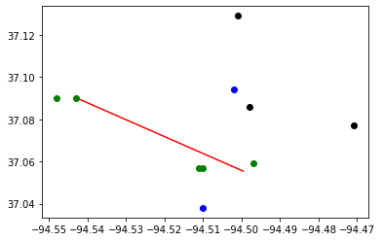
Budget : | 30000000 | Tornado Length: | 5
Best Bound: | 65
Best Objective: | 65
Gap: | 0
CCG Run time: | 36.39
CCG Iteration: | 3
Subproblem Run time: | 36.27
Number of Subproblem Callbacks: | 15
Subproblem Callbacks Run Time: | 0.61
Number of Uncertainty Set Check Call: | 0
Uncertainty Set Check Run Time: | 0
Head of worst tornado: | -94.542 | 37.089
Tail of worst tornado: | -94.5 | 37.055

Block ID | coordinate_x | coordinate_y | Population | Retrofitting | Retrofitting Cost | Damaged? | Recovery Cost | Dislocation
290970112004035 | -94.548 | 37.09 | 21 | R3 | 5519 | YES | 119326 | 13
290970112004038 | -94.543 | 37.09 | 14 | R3 | 7856 | YES | 108679 | 9
290970107002023 | -94.511 | 37.057 | 25 | R3 | 15310 | YES | 203796 | 16
290970107002022 | -94.51 | 37.057 | 17 | R3 | 13219 | YES | 200764 | 11
291450205022018 | -94.51 | 37.038 | 21 | R3 | 11364 | NO | 0 | 0
290970101002004 | -94.502 | 37.094 | 9 | R3 | 30018 | NO | 0 | 0
290970103001034 | -94.501 | 37.129 | 10 | Do_nothing | 0 | NO | 0 | 0
290970101004032 | -94.498 | 37.086 | 0 | Do_nothing | 0 | NO | 0 | 0
290970106006020 | -94.497 | 37.059 | 26 | R3 | 18731 | YES | 211972 | 16
290970104001042 | -94.471 | 37.077 | 10 | Do_nothing | 0 | NO | 0 | 0

